Sheet1
 |  |  |  |  | << | Execute dbo.Select_User_Shift_Details | On first entry to this screen (Call SP) Department, Login and Job Name params required as part of SP Call:
 |  | User Shifts |  |  |  |  | This SP call populates the fields on the screen. When you enter this screen, results based on SP call are pushed to two seperate temp tables
 |  |  |  |  |  |  | Name of temp table is: REPLACE(REPLACE('##' + @USER_LOGIN + '_' + @DEPARTMENT + '_' + 'User_Shift_Details_Day', ' ', ''), '-', '')
 |  | Department | Login |  |  |  | Name of temp table is: REPLACE(REPLACE('##' + @USER_LOGIN + '_' + @DEPARTMENT + '_' + 'User_Shift_Details_Night', ' ', ''), '-', '')
 |  | On-Track | DominicB |  |  | Param "Job_Department" passed to the SP for this screen, populates this field |  | Param "User_Login" passed to the SP for this screen, populates this field

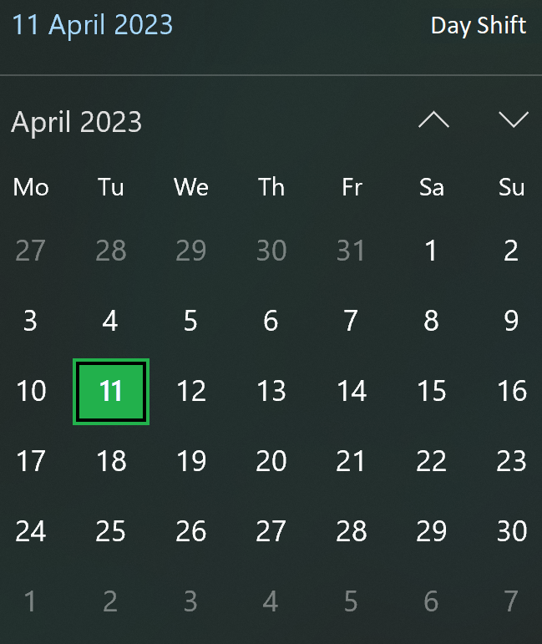
 |  | Shifts Available | Day | Night | << | Toggle Calendar switches between Day Shift and Night Shift calendars (only list next available 60 days (inclusive of current date))
 |  |  |  |  |  | Against Results set from "day" and "night" both temp tables, there is a "Day_Shift_Available" or "Night_Shift_Available" flag. If either flag returns the value 1, then the date value is highlighted in green in the day or night calendar
 |  |  |  |  |  | You should all for the date filed to be toggled from green or back to default. If changed via toggle, then you update 1 (for green) or 0 (for default) against the day or night temp table in the background, and against that date
 |  |  |  |  |  | See above for the two temp table names

 |  | < Portal | Update |  | << | Execute dbo.User_Portal | This is the "Portal" Button. Takes you back to the "User Portal" Screen | Execute dbo.Alter_User_Shift_Details | This is the "Update" Button. Updates appended to the two temp tables in the background above are reflected back to the database
 |  |  |  |  |  |  | Department, Login params required as part of SP Call: |  | Department, Login and Job Name params required as part of SP Call:
 |  |  |  |  |  |  |  |  | See above for the two temp table names
SPS Used…
 | dbo.Select_User_Shift_Details
 | dbo.User_Portal
 | dbo.Alter_User_Shift_Details

